RT for conditions Sequential an
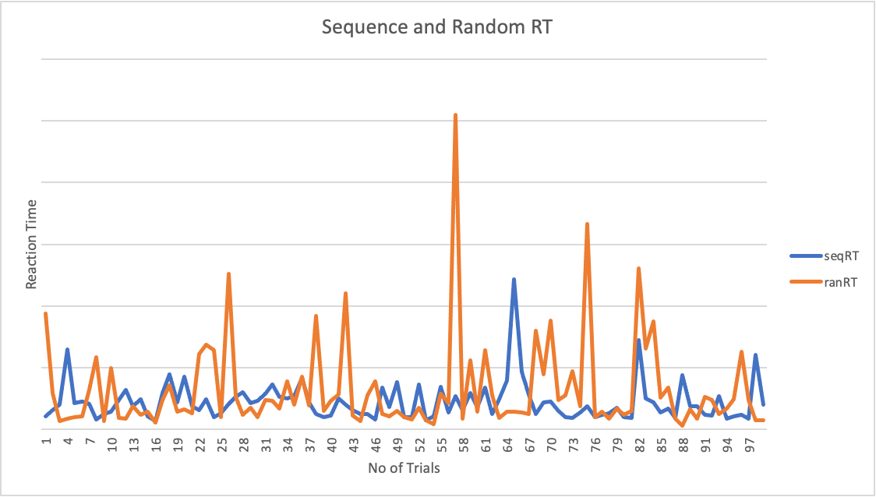
key_resp.rt | seqRT | ranRT | average Reaction time
1.048499989 | 1.048499989 | 9.355326405 | seqrt | 2.227782941
1.544089566 | 1.544089566 | 2.949508791 | ranrt | 3.210955501
2.00309524 | 2.00309524 | 0.628111224 |  | 0.98317256
6.486398403 | 6.486398403 | 0.861186471
2.08533104 | 2.08533104 | 0.985217162
2.235916795 | 2.235916795 | 1.058988481
2.028874366 | 2.028874366 | 3.206667681
0.778264373 | 0.778264373 | 5.843310441
1.233232493 | 1.233232493 | 0.674936367
1.426382129 | 1.426382129 | 4.954990842
2.350559642 | 2.350559642 | 0.888755875
3.186719494 | 3.186719494 | 0.824029486
1.857470718 | 1.857470718 | 1.835923059
2.421121406 | 2.421121406 | 1.160087801
1.067473237 | 1.067473237 | 1.407135519
0.67735399 | 0.67735399 | 0.538113862
2.931178173 | 2.931178173 | 2.343992221
4.447039405 | 4.447039405 | 3.581123552
2.196694984 | 2.196694984 | 1.394673544
4.286487057 | 4.286487057 | 1.611035893
1.861135126 | 1.861135126 | 1.305359514
1.534510324 | 1.534510324 | 6.065223411
2.418897593 | 2.418897593 | 6.855115723
0.99901200501 | 0.99901200501 | 6.439859743
1.266965668 | 1.266965668 | 0.947177929
2.041932803 | 2.041932803 | 12.613596911
2.621965106 | 2.621965106 | 2.58670423
2.967256067 | 2.967256067 | 1.192118298
2.125082573 | 2.125082573 | 1.713306842
2.320062934 | 2.320062934 | 0.956775363
2.880491006 | 2.880491006 | 2.353353813
3.651811272 | 3.651811272 | 2.277672301
2.61978379 | 2.61978379 | 1.686195842
2.491057686 | 2.491057686 | 3.884635653
2.709290263 | 2.709290263 | 1.955623954
4.132112169 | 4.132112169 | 4.244056377
2.177882474 | 2.177882474 | 1.897101331
1.208136343 | 1.208136343 | 9.184833959
0.952902605 | 0.952902605 | 1.502556094
1.096543217 | 1.096543217 | 2.279102228
2.463228363 | 2.463228363 | 2.795194442
2.003018671 | 2.003018671 | 11.01785032
1.531961056 | 1.531961056 | 1.071877616
1.249922386 | 1.249922386 | 0.68928084901
1.238946973 | 1.238946973 | 2.772819027
0.793567189 | 0.793567189 | 3.911719301
3.393291366 | 3.393291366 | 1.213465265
1.819913601 | 1.819913601 | 1.027626187
3.809126274 | 3.809126274 | 1.471955182
1.004523359 | 1.004523359 | 1.006121842
0.94568888401 | 0.94568888401 | 0.800882378
3.645022947 | 3.645022947 | 1.711877046
0.728131843 | 0.728131843 | 0.724130548
1.05543027 | 1.05543027 | 0.42617980301
3.451663425 | 3.451663425 | 2.840065156
1.354418318 | 1.354418318 | 2.093344072
2.711816567 | 2.711816567 | 25.498742911
1.572214911 | 1.572214911 | 0.839835622
2.950059441 | 2.950059441 | 5.572741942
1.794178057 | 1.794178057 | 1.397982369
3.36398516 | 3.36398516 | 6.432234567
1.240858034 | 1.240858034 | 2.769028285
2.406080242 | 2.406080242 | 0.91364338101
3.966706342 | 3.966706342 | 1.410582695
12.16076295 | 12.16076295 | 1.442638445
4.609234571 | 4.609234571 | 1.365814158
2.796632711 | 2.796632711 | 1.222070428
1.258969481 | 1.258969481 | 7.975156839
2.177209425 | 2.177209425 | 4.479640258
2.209331346 | 2.209331346 | 8.782207244
1.475703359 | 1.475703359 | 2.379602488
0.953829244 | 0.953829244 | 2.738150594
0.88180018999 | 0.88180018999 | 4.722996531
1.360112697 | 1.360112697 | 1.890324636
1.880568718 | 1.880568718 | 16.671560378
0.976029868 | 0.976029868 | 0.96993715901
1.159943625 | 1.159943625 | 1.411253094
1.270929355 | 1.270929355 | 0.832876927
1.727212646 | 1.727212646 | 1.665385876
0.972271198 | 0.972271198 | 1.152028356
0.92634330399 | 0.92634330399 | 1.504256646
7.260477921 | 7.260477921 | 13.042719322
2.489060585 | 2.489060585 | 6.56480695
2.196481036 | 2.196481036 | 8.726969058
1.350014461 | 1.350014461 | 2.571539687
1.693002042 | 1.693002042 | 3.385681891
0.90861793701 | 0.90861793701 | 0.86065041501
4.382827493 | 4.382827493 | 0.263709901
1.83323491 | 1.83323491 | 1.583570687
1.861295554 | 1.861295554 | 0.82904218099
1.178354844 | 1.178354844 | 2.636888079
1.12475008 | 1.12475008 | 2.341622889
2.655364406 | 2.655364406 | 1.218685304
0.87501683 | 0.87501683 | 1.69024254
1.018550479 | 1.018550479 | 2.404629076
1.184935717 | 1.184935717 | 6.266475319
0.861882552 | 0.861882552 | 2.348487438
6.044100494 | 6.044100494 | 0.746427848
1.972891951 | 1.972891951 | 0.743880985
9.355326405
2.949508791
0.628111224
0.861186471
0.985217162
1.058988481
3.206667681
5.843310441
0.674936367
4.954990842
0.888755875
0.824029486
1.835923059
1.160087801
1.407135519
0.538113862
2.343992221
3.581123552
1.394673544
1.611035893
1.305359514
6.065223411
6.855115723
6.439859743
0.947177929
12.613596911
2.58670423
1.192118298
1.713306842
0.956775363
2.353353813
2.277672301
1.686195842
3.884635653
1.955623954
4.244056377
1.897101331
9.184833959
1.502556094
2.279102228
2.795194442
11.01785032
1.071877616
0.68928084901
2.772819027
3.911719301
1.213465265
1.027626187
1.471955182
1.006121842
0.800882378
1.711877046
0.724130548
0.42617980301
2.840065156
2.093344072
25.498742911
0.839835622
5.572741942
1.397982369
6.432234567
2.769028285
0.91364338101
1.410582695
1.442638445
1.365814158
1.222070428
7.975156839
4.479640258
8.782207244
2.379602488
2.738150594
4.722996531
1.890324636
16.671560378
0.96993715901
1.411253094
0.832876927
1.665385876
1.152028356
1.504256646
13.042719322
6.56480695
8.726969058
2.571539687
3.385681891
0.86065041501
0.263709901
1.583570687
0.82904218099
2.636888079
2.341622889
1.218685304
1.69024254
2.404629076
6.266475319
2.348487438
0.746427848
0.743880985
1.78149915
14.08654866
3.544940298
8.317811763
3.620160789
1.660933893
1.773737062
0.942727923
4.177987784
1.520864049
3.612366163
1.426440613
5.287709407
1.685217278
6.592016789
0.799787326
0.64688431199
0.986701865
0.946399662
1.068213286
1.059428649
0.65973999001
0.99943127399
2.236930765
2.763579647
1.668983324
1.545338739
3.024327979
2.568356769
11.253964064
2.334083005
6.334774762
2.055153553
0.682962411
1.149533914
7.815415329
0.889251128
2.502245156
4.904800656
3.073158564
1.069741727
3.17988636
0.094040308002
0.207208935
0.199206063
0.061188750988
1.349761536
0.960344976
1.943019292
1.343718319
2.699419759
0.62661006
4.267994166
7.819453641
7.936616633
4.665300538
14.654645039
4.550731194
1.443890254
1.130528555

